Daily Power Station Chart_14-01
Plant_13/01/2025Chart

Plant:odco1 |  |  | Installed Capacity:111.180kWp
Today Yield(kWh):502.900kWh |  | Today Earning:201160.000TND |  | Today Full Load Hours(h):4.52h

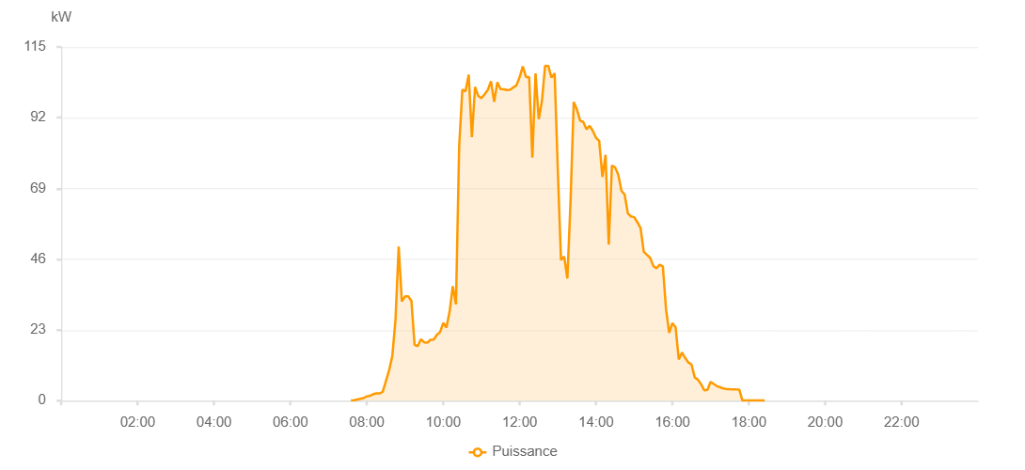

Number | Time | Working State | PV(W) | Instantaneous Radiation(W/㎡)
1 | 07:35:00 | Online | 80.00000 | 0
2 | 07:40:00 | Online | 170.00000 | 0
3 | 07:45:00 | Online | 390.00000 | 0
4 | 07:50:00 | Online | 600.00000 | 5.00000
5 | 07:55:00 | Online | 840.00000 | 5.00000
6 | 08:00:00 | Online | 1410.00000 | 11.00000
7 | 08:05:00 | Online | 1600.00000 | 11.00000
8 | 08:10:00 | Online | 2120.00000 | 20.00000
9 | 08:15:00 | Online | 2380.00000 | 24.00000
10 | 08:20:00 | Online | 2340.00000 | 26.00000
11 | 08:25:00 | Online | 2910.00000 | 40.00000
12 | 08:30:00 | Online | 6410.00000 | 75.00000
13 | 08:35:00 | Online | 9880.00000 | 75.00000
14 | 08:40:00 | Online | 14480.00000 | 153.00000
15 | 08:45:00 | Online | 26240.00000 | 354.00000
16 | 08:50:00 | Online | 50100.00000 | 260.00000
17 | 08:55:00 | Online | 32260.00000 | 260.00000
18 | 09:00:00 | Online | 33910.00000 | 152.00000
19 | 09:05:00 | Online | 33920.00000 | 297.00000
20 | 09:10:00 | Online | 32510.00000 | 139.00000
21 | 09:15:00 | Online | 18130.00000 | 160.00000
22 | 09:20:00 | Online | 17740.00000 | 154.00000
23 | 09:25:00 | Online | 20000.00000 | 154.00000
24 | 09:30:00 | Online | 18970.00000 | 168.00000
25 | 09:35:00 | Online | 18840.00000 | 153.00000
26 | 09:40:00 | Online | 19800.00000 | 165.00000
27 | 09:45:00 | Online | 19850.00000 | 165.00000
28 | 09:50:00 | Online | 21380.00000 | 182.00000
29 | 09:55:00 | Online | 22260.00000 | 182.00000
30 | 10:00:00 | Online | 25280.00000 | 236.00000
31 | 10:05:00 | Online | 23750.00000 | 236.00000
32 | 10:10:00 | Online | 28930.00000 | 266.00000
33 | 10:15:00 | Online | 37230.00000 | 354.00000
34 | 10:20:00 | Online | 31340.00000 | 296.00000
35 | 10:25:00 | Online | 82540.00000 | 261.00000
36 | 10:30:00 | Online | 101090.00000 | 881.00000
37 | 10:35:00 | Online | 100640.00000 | 881.00000
38 | 10:40:00 | Online | 106010.00000 | 905.00000
39 | 10:45:00 | Online | 85710.00000 | 608.00000
40 | 10:50:00 | Online | 102010.00000 | 909.00000
41 | 10:55:00 | Online | 99090.00000 | 882.00000
42 | 11:00:00 | Online | 98370.00000 | 873.00000
43 | 11:05:00 | Online | 99630.00000 | 873.00000
44 | 11:10:00 | Online | 101030.00000 | 903.00000
45 | 11:15:00 | Online | 103900.00000 | 946.00000
46 | 11:20:00 | Online | 97150.00000 | 935.00000
47 | 11:25:00 | Online | 103540.00000 | 909.00000
48 | 11:30:00 | Online | 101340.00000 | 899.00000
49 | 11:35:00 | Online | 101230.00000 | 897.00000
50 | 11:40:00 | Online | 101040.00000 | 897.00000
51 | 11:45:00 | Online | 101110.00000 | 893.00000
52 | 11:50:00 | Online | 101840.00000 | 894.00000
53 | 11:55:00 | Online | 102520.00000 | 915.00000
54 | 12:00:00 | Online | 105210.00000 | 915.00000
55 | 12:05:00 | Online | 108700.00000 | 959.00000
56 | 12:10:00 | Online | 105230.00000 | 1017.00000
57 | 12:15:00 | Online | 105230.00000 | 913.00000
58 | 12:20:00 | Online | 79050.00000 | 567.00000
59 | 12:25:00 | Online | 106400.00000 | 946.00000
60 | 12:30:00 | Online | 91560.00000 | 656.00000
61 | 12:35:00 | Online | 97350.00000 | 951.00000
62 | 12:40:00 | Online | 108850.00000 | 1025.00000
63 | 12:45:00 | Online | 108830.00000 | 1025.00000
64 | 12:50:00 | Online | 105050.00000 | 981.00000
65 | 12:55:00 | Online | 106420.00000 | 954.00000
66 | 13:00:00 | Online | 74810.00000 | 735.00000
67 | 13:05:00 | Online | 45680.00000 | 341.00000
68 | 13:10:00 | Online | 46870.00000 | 243.00000
69 | 13:15:00 | Online | 39740.00000 | 243.00000
70 | 13:20:00 | Online | 64900.00000 | 851.00000
71 | 13:25:00 | Online | 97090.00000 | 865.00000
72 | 13:30:00 | Online | 94690.00000 | 865.00000
73 | 13:35:00 | Online | 91030.00000 | 806.00000
74 | 13:40:00 | Online | 90630.00000 | 806.00000
75 | 13:45:00 | Online | 88230.00000 | 811.00000
76 | 13:50:00 | Online | 89370.00000 | 803.00000
77 | 13:55:00 | Online | 87710.00000 | 803.00000
78 | 14:00:00 | Online | 85490.00000 | 759.00000
79 | 14:05:00 | Online | 84450.00000 | 759.00000
80 | 14:10:00 | Online | 72760.00000 | 692.00000
81 | 14:15:00 | Online | 79930.00000 | 658.00000
82 | 14:20:00 | Online | 50750.00000 | 739.00000
83 | 14:25:00 | Online | 76480.00000 | 180.00000
84 | 14:30:00 | Online | 75840.00000 | 644.00000
85 | 14:35:00 | Online | 73430.00000 | 647.00000
86 | 14:40:00 | Online | 68240.00000 | 647.00000
87 | 14:45:00 | Online | 67020.00000 | 631.00000
88 | 14:50:00 | Online | 60860.00000 | 587.00000
89 | 14:55:00 | Online | 59900.00000 | 578.00000
90 | 15:00:00 | Online | 59630.00000 | 534.00000
91 | 15:05:00 | Online | 58010.00000 | 534.00000
92 | 15:10:00 | Online | 56120.00000 | 506.00000
93 | 15:15:00 | Online | 48410.00000 | 485.00000
94 | 15:20:00 | Online | 47430.00000 | 442.00000
95 | 15:25:00 | Online | 46460.00000 | 442.00000
96 | 15:30:00 | Online | 43810.00000 | 439.00000
97 | 15:35:00 | Online | 43000.00000 | 436.00000
98 | 15:40:00 | Online | 44230.00000 | 436.00000
99 | 15:45:00 | Online | 43670.00000 | 430.00000
100 | 15:50:00 | Online | 29660.00000 | 292.00000
101 | 15:55:00 | Online | 22050.00000 | 151.00000
102 | 16:00:00 | Online | 25250.00000 | 112.00000
103 | 16:05:00 | Online | 23870.00000 | 112.00000
104 | 16:10:00 | Online | 13400.00000 | 116.00000
105 | 16:15:00 | Online | 15690.00000 | 100.00000
106 | 16:20:00 | Online | 13890.00000 | 100.00000
107 | 16:25:00 | Online | 12430.00000 | 69.00000
108 | 16:30:00 | Online | 11770.00000 | 69.00000
109 | 16:35:00 | Online | 7590.00000 | 59.00000
110 | 16:40:00 | Online | 6840.00000 | 59.00000
111 | 16:45:00 | Online | 5370.00000 | 49.00000
112 | 16:50:00 | Online | 3360.00000 | 36.00000
113 | 16:55:00 | Online | 3530.00000 | 22.00000
114 | 17:00:00 | Online | 6100.00000 | 28.00000
115 | 17:05:00 | Online | 5410.00000 | 28.00000
116 | 17:10:00 | Online | 4720.00000 | 19.00000
117 | 17:15:00 | Online | 4360.00000 | 7.00000
118 | 17:20:00 | Online | 3980.00000 | 7.00000
119 | 17:25:00 | Online | 3780.00000 | 3.00000
120 | 17:30:00 | Online | 3720.00000 | 0
121 | 17:35:00 | Online | 3700.00000 | 1.00000
122 | 17:40:00 | Online | 3650.00000 | 0
123 | 17:45:00 | Online | 3610.00000 | 0
124 | 17:50:00 | Online | 40.00000 | 0
125 | 17:55:00 | Online | 40.00000 | 0
126 | 18:00:00 | Online | 40.00000 | 0
127 | 18:05:00 | Online | 40.00000 | 0
128 | 18:10:00 | Online | 40.00000 | 0
129 | 18:15:00 | Online | 40.00000 | 0
130 | 18:20:00 | Online | 40.00000 | 0
131 | 18:25:00 | Online | 40.00000 | 0
132 | 18:45:00 | Online | 0.00001 | 0.00001

